1. Title Page
[Task A4.10 Instacart Final Report]

Project Name: Task A4.10 Instacart Final Report
Date: May 9, 2023
Analyst Name: Nicole Chiu

Contents:
Population Flow
Consistency checks
Wrangling steps
Column derivations
Visualizations
Recommendations

Data Citations
1. “The Instacart Online Grocery Shopping Dataset 2017”, Accessed from www.instacart.com/datasets/grocery-shopping-2017 via Kaggle on May 1, 2023.
2. Customer Data Set created and accessed for the purpose of this project

2. Population Flow
Title page

Population flow

Exclusion flag
Condition: max_order <
Obervations to be removed:
Final total count of order_products_all:

Orders_products_combined
Orders_products_merged
Orders_products_all

Total: 32404859
Total: 32,434,489
Total: 32404859

1.) The grey boxes in the first row of the population flow represent the original data sets as they were when you downloaded them. In the Total fields you need to add the count of the rows when you imported the data set into Jupyter.
2.) The second row of boxes (coloured) represents the data sets after you manipulated them, e.g., removed missing values and duplicates. In the Total fields you need to add the count of the rows after conducting these operations. This offers a visual oveview of how the data flows throughout the data consistency checks.
3.) The third row, where also the arrows are coloured, represents the merges you performed between the datasets. In the Total fields you need to add the count of the rows in the merged datasets, so that you end up with the final dataset (in the red box). Keep in mind the final dataset should be without exclusions (based on the exclusion flag).

3. Consistency checks
 |  |  |  | Title page
Consistency checks

Dataset | Missing values | Missing values treatment | Duplicates
orders | 206209 missing values from days_since_prior_order | No change, these are one-time customers | No duplicates found
products | 16 values missing from product_name | Dropped duplicates | 5 duplicates found; removed duplicates
products | Not missing values per se, but there were several values in the 'prices' variable that were outliers. For example, 5,127 prices were $14,900 or $99,999. | These outliers became missing values, as I replaced the 5,127 cases with 'NaN'
orders_products_prior | None | N/A | None
customers | 11259 missing values from first_name | No change | None

4. Wrangling steps
 |  |  |  | Title page
Wrangling steps

Columns dropped | Columns renamed | Columns' type changed | Dataframe / Comment/Reason
eval_set | orders_day_of_week' from 'orders_dow' | order_id to string user_id to string | df_ords 'dow' not easily understandable Changed data types to optimize any numerical calculations for other variables
 | last_name' from 'Surnam' 'number_of_dependents' from 'n_dependents' |  | df_customers Changed names of these two columns to be more consistent with other columns and to be more easily understandable
 | Changed formatting of columns to lowercase and _ for spaces For e.g., 'STATE' to 'state' and 'Gender' to 'gender' |  | df_customers Reformatted simply to have consistency across columns
 |  | user_id to string first_name to string | df_customers Changed data types to optimize any numerical calculations for other variables
 |  | user_id to string | df_ords_prods_merged Changed data types to optimize any numerical calculations for other variables
last_name and first_name |  |  | df_ords_prods_all Dropped columns for PII data concerns

5. Column derivations
 |  |  |  |  | Title page

Column derivations and aggregations

In this tab you should add tables below that the frequences of flags/label variables that you produced after deriving them. NB: don't do this for continuous variables, only for flags.
Dataset | New column | Column/s it was derived from | Conditions | Frequency
ords_prods_merged | busiest day | orders_day_of_week | 0 = 'Busiest day' 4 = 'Least busy' Neither = 'Regularly busy' | 6,204,182 3,783,802 22,416,875
ords_prods_merged | price_range_loc | prices | > 15 = High range product > 5 and <= 15 = Mid range product <= 5 = Low range product | 417,678 21,860,860 10,126,321
ords_prods_merged | busiest days | orders_day_of_week | 0 or 1 = 'Busiest day' 3 or 4 = 'Least busiest day' None of the above = 'Regularly busy' | 11,864,412 7,624,336 12,916,111
ords_prods_merged | busiest period of day | order_hour_of_day | Most orders' = 10, 11, 14, 15, 13, 12, 16, 9 'Average orders' = 17, 8, 18, 19, 20, 7, 21, 22 'Fewest orders' = 23, 6, 0, 1, 5, 2, 4, 3 | 21,118,071 9,997,651 1,289,137
ords_prods_merged | max order | order_number | maximum number of orders a user has made
ords_prods_merged | loyalty flag | max order | Loyal customer' = max order > 40 'Regular customer' = max order > 10 and <=40 'New customer' = max order <= 10 | 10,284,093 15,876,776 6,243,990
ords_prods_merged | mean price | prices | average price across all orders
ords_prods_merged | spending flag | mean price | Low spender' = mean price < 10 'High spender' = mean price >= 10 | 31,770,614 634,245
ords_prods_merged | median days since prior order | days_since_prior_order | median number of days since prior order
ords_prods_merged | frequency flag | median days since prior order | Non-frequent customer' = median days since prior order > 20 'Regular customer' = median days since prior order > 10 and <=20 'Frequent customer' = <=10 | 3,636,437 7,208,564 21,559,853
ords_prods_all | region | state | northeast, midwest, south, west Assigned according to this wiki | 5,722,736 7,597,325 10,791,885 8292,913
ords_prods_all | low_order_flag | max_order | max_order < 5 is 'Low order customer' max_order >= 5 is 'High order customer' | 1,440,295 30,964,564
ords_prods_all | age_profile | age | young' is <= 25 'middle-aged' is > 25 and < 65 'senior' is >= 65 | 4,045,189 19,784,586 8,575,084
ords_prods_all | income_profile | income | low-income' is < 75000 'mid-income' is >= 75000 and < 150000 'high-income' is >= 150000 | 10,442,766 17,910,512 4,051,581
ords_prods_all | vegan_profile | department_id | vegan' if 0 orders from department_id=12 or department_id=16 otherwise = 'non-vegan' | 383,427 32,021,432
ords_prods_all | family_profile | fam_status and number_of_dependants | if married + 1 dependant = 'married, no children' if married + 2 or more dependants = 'married with children' if not married + 0 dependants = 'single no children' if not married + 1 or more dependants = 'single with children' | 7,550,904 15,205,849 8,097,503 1,550,603

6. Visualizations
 |  |  |  |  |  | Title page

Visualisations

In this tab you should include all the visualtions from Exercises 4.9 and 4.10, alongside the questions from the project brief that they answer. Include any commentary on the relationship between different variables.

BAR CHART: The frequency of orders by day of the week (where 0 = Saturday)
 |  | What are the busiest days of the week?


 |  |  |  | The x-axis details the day of the week, where 0 = Saturday, 1 = Sunday, etc.
 |  |  |  | The y-axis is the frequency of orders.

We see in the bar chart above that the busiest days are Saturday and Sunday; the two slowest days are Wednesday (4) and Tuesday (3)
Recommendation: Ads should be scheduled on Wednesdays and Tuesdays.

HISTOGRAM: Frequency of orders for each hour of the day
 | When are the busiest hours of the day?


 |  |  |  | The x-axis details the hour of the day in military time, where 0 is midnight.
 |  |  |  | The y-axis is the frequency of orders.

The number of orders is at its maximum between around 9-15, which is around 9am to 3pm.
Recommendation: Ads should be scheduled in the early morning before 9am and late afternoon/evening.

LINE CHART: Expenditure over hours of the day
Are there particular times of the day when people spend the most money?
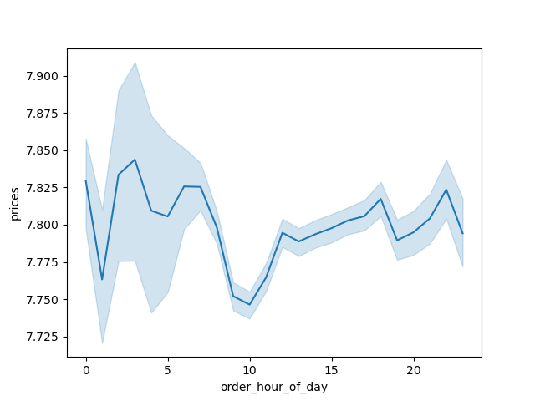

 |  |  |  | The x-axis details the hour of the day in military time, where 0 is midnight.
 |  |  |  | The y-axis is the average price of items ordered.

We see that by 10am, expenditure is at its lowest, while it is at its highest at around 4am.
Overall, the dip begins around 8am until 10am, but it is important to note that there is only around a
10 cent drop between the highest and lowest points. Overall, the types of products bought are consistent
across all hours of the day.
Recommendation: Do not change strategy around types of products advertised at certain hours.

HISTOGRAM: Distribution of prices' occurrences
Are there simpler price range groupings to direct efforts of marketing and sales?


Most products are priced between $1 and $15, while a few are priced higher at $15 to $25.
Recommendation: Group price tags into three categories - high-, mid-, and low-range.
High-range are products that cost over $15, mid-range are between $5-15, and low-range is under $5.

BAR CHART: Distribution of orders among loyalty customers
What is the distribution among users in regards to their brand loyalty?
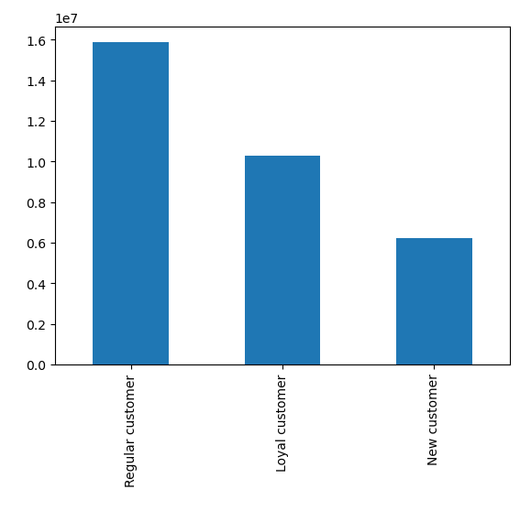

 |  |  | KEY
 |  |  | Regular customers: Placed a maximum of 10-40 orders.
 |  |  | Loyal customers: Placed a maximum of over 40 orders.
 |  |  | New customers: Placed a maximum of 10 or fewer orders.

 |  |  | The y-axis is the number of orders placed.

Regular customers place the most orders, and new customers place the lowest number of orders.
Regular customers make up around half of Instacart's customer base. Loyal customers make up around one third.

BAR CHARTS: Spending and order frequency based on customer's loyalty status
Are there differences in ordering habits based on a customer's loyalty status?

 | SPENDING: |  |  |  | ORDER FREQUENCY:
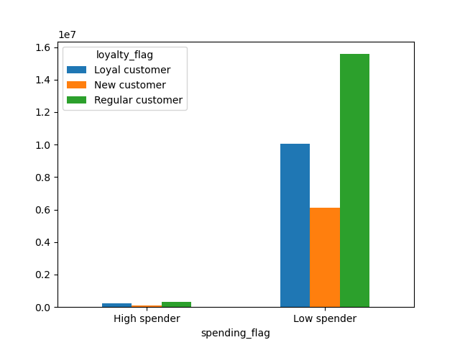
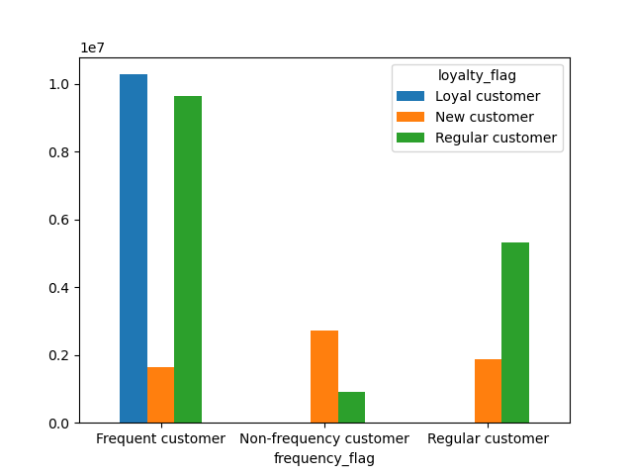

From the bar chart above, we see that there isn't much difference in the distribution of loyal customers |  |  |  |  | From the bar chart above, we see that loyal customers tend to be frequent customers who
among high and low spenders. |  |  |  |  | place orders fewer than 10 days apart, meaning they are ordering a high amount (more than
 |  |  |  |  | 40 orders) at a high rate (fewer than 10 days apart). On the other hand, new customers tend
 |  |  |  |  | to order less (fewer than 10 orders) at a slower rate (more than 20 days apart).
 |  |  |  |  | Recommendation: Market loyalty program incentives to Regular customers to increase their
 |  |  |  |  | order frequency.

BAR CHARTS: Spending and order frequency based on customer's region
Are there differences in ordering habits based on a customer's region?

 | SPENDING: |  |  |  | ORDER FREQUENCY:
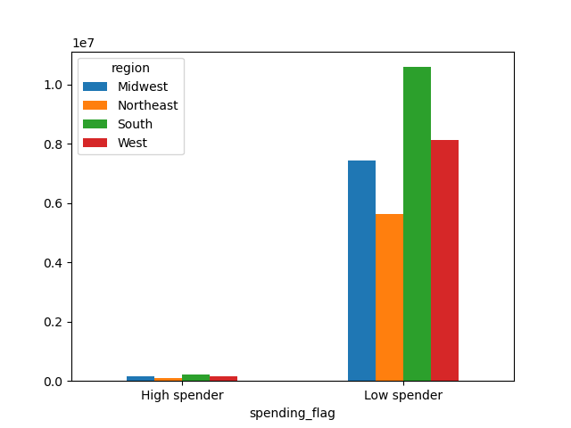
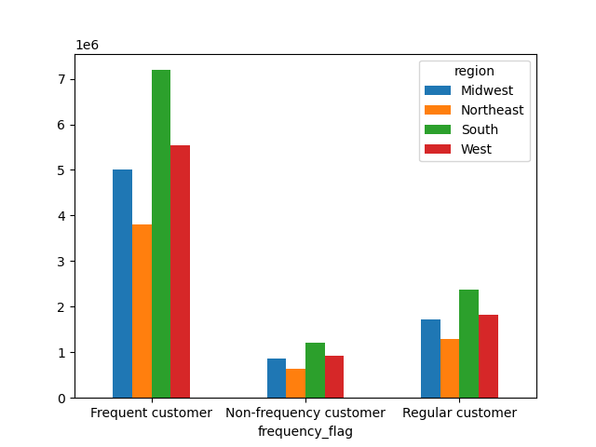

From both bar charts above, region does not impact the spending habits of customers. Region also does not impact the frequency at which customers place orders.
This is because the heights of the bars in each group are in the same proportion to one another between groups.

LINE CHART: Family situation by age
Is there a connection between age and family status in terms of ordering habits?
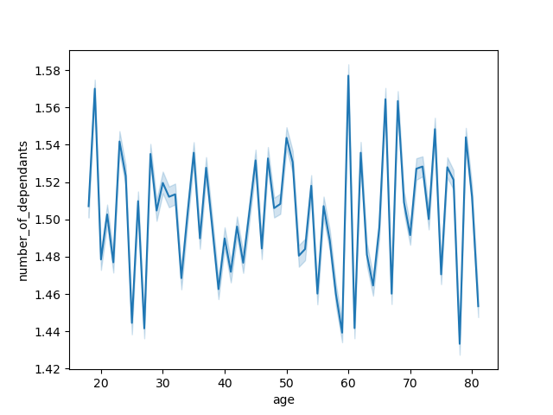

 |  |  |  | The x-axis details the customer's age.
 |  |  |  | The y-axis is the number of dependants.

There isn't a pattern or clear relationship between age and number of dependants; there is quite a fluctuation.
We can see the line starts at around age 18, which would make sense for someone younger than 18 to not have a dependant.
In other words, number of dependants has little to do with age.

SCATTERPLOT: Age and spending power (income)
Is there a connection between the age of Instacart customers and their purchasing power (income)?


There is a wide range of incomes across age. We can see around age 40 that income increases.
There is a large cluster of dots under the $200k income across all ages; most folks have an income of $200k or lower.
Recommendation: Can create targeted ads to those aged 40 and above as they have more purchasing power.

BAR CHARTS: Demographic breakdown of Instacart customers
What different classifications does the demographic information suggest?
What differences can you find in ordering habits of different customer profiles?

In summary, few differences in ordering habits existed when analyzing these demographic profiles.
Vegans and non-vegans, however, showed the most differences in their ordering habits.
Overall customer profiles are detailed in the four bar charts below.

 | AGE: |  |  |  | INCOME:
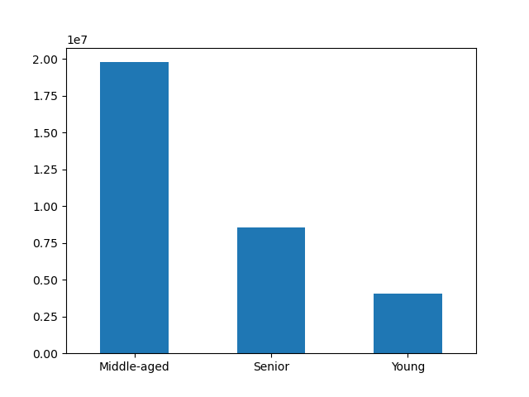
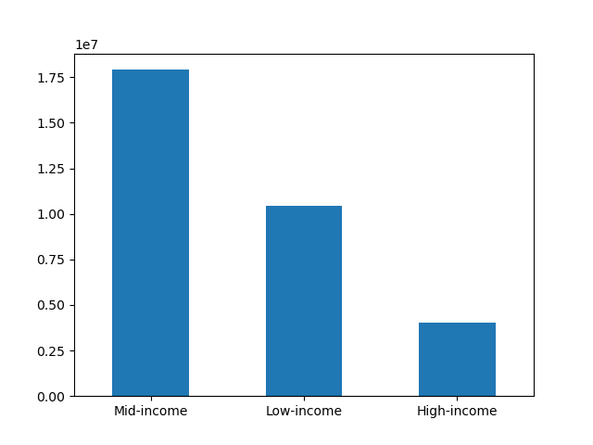

KEY |  |  |  |  | KEY
Young: 25yo or younger |  |  |  |  | Low-income: Makes less than $75,000 annually
Middle-aged: Older than 25yo and younger than 65yo |  |  |  |  | Mid-income: Makes more than $75,000 and less than $150,000 annually
Senior: 65+yo |  |  |  |  | High-income: Makes less than $150,000 annually

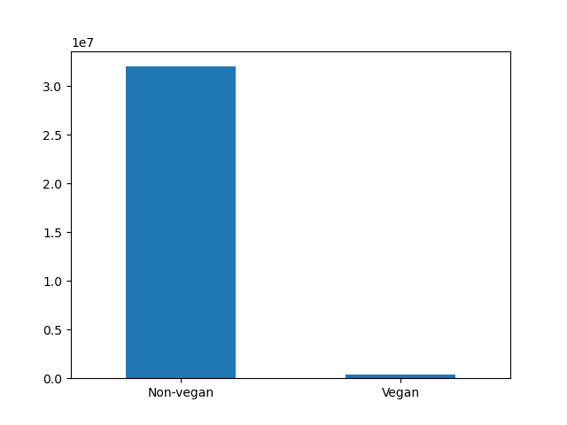
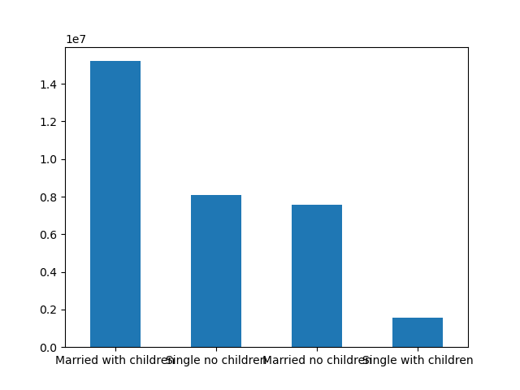
 | VEGAN/NON-VEGAN: |  |  |  | FAMILY SITUATION:

BAR CHARTS: Demographic breakdown of Instacart customers by region
What different classifications does the demographic information suggest?
What differences can you find in ordering habits of different customer profiles?

From the four graphs below, it is clear that these profiles are consistent across region.
In other words, demographics do not vary much based on region.

 | AGE: |  |  |  | INCOME:
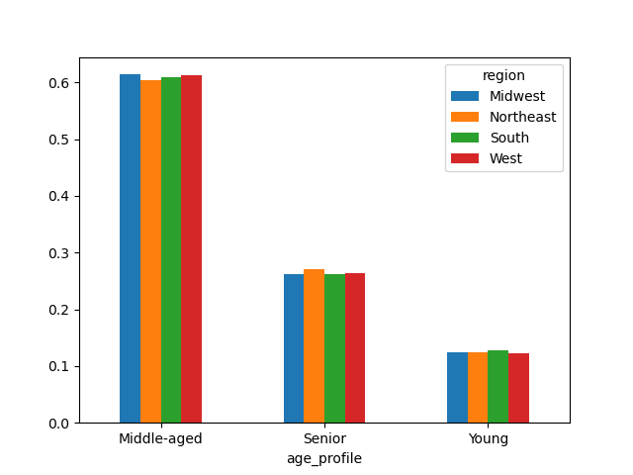
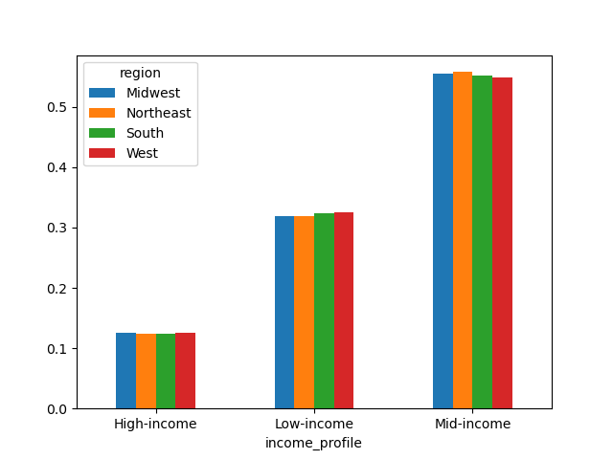

 | VEGAN/NON-VEGAN: |  |  |  | FAMILY SITUATION:
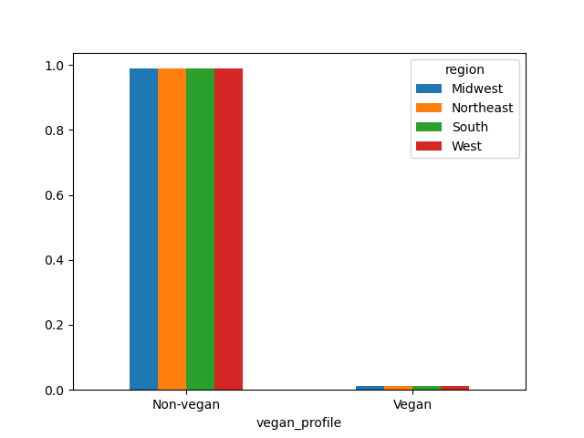
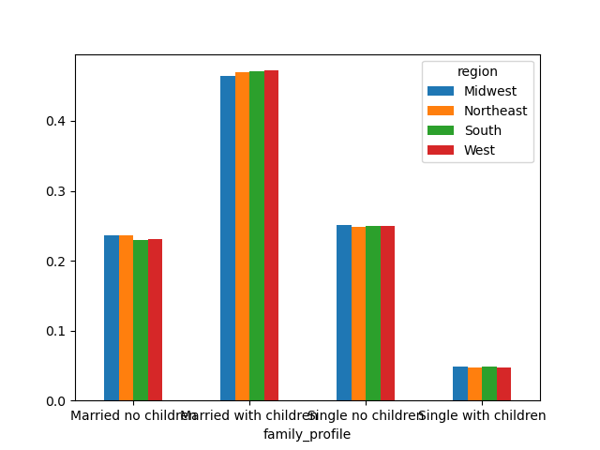

BAR CHARTS: Demographic breakdown of Instacart customers by department
What different classifications does the demographic information suggest?
What differences can you find in ordering habits of different customer profiles?
Are there certain types of products that are more popular than others?

Please scroll under the four bar charts for a detailed anwer to these three questions

 | AGE: |  |  |  | INCOME:
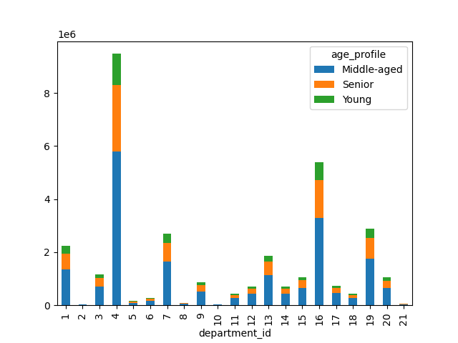
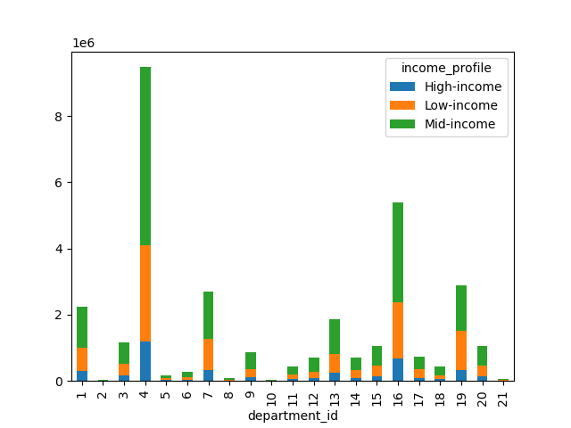

 | VEGAN/NON-VEGAN: |  |  |  | FAMILY SITUATION:
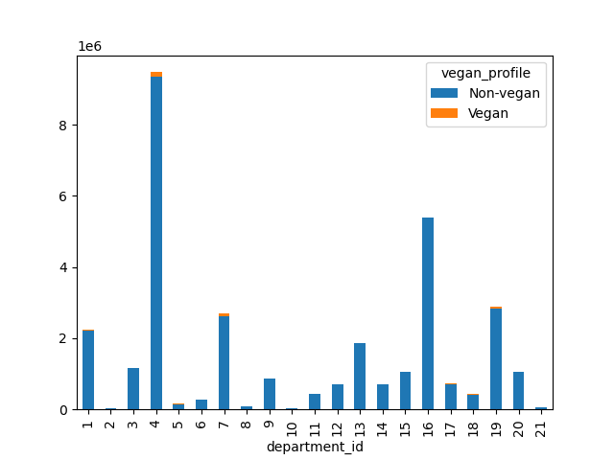
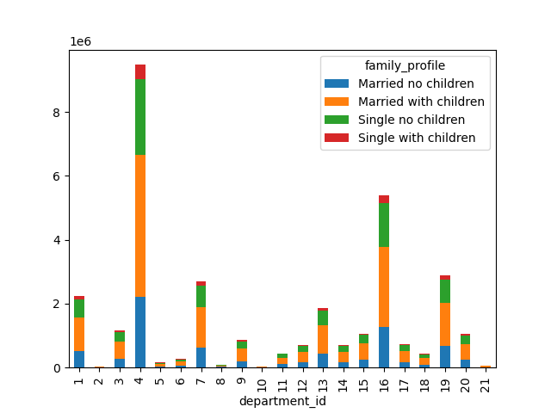

Are there certain types of products that are more popular than others?
Across all four bar charts, it's clear that department 4 (produce) has the most purchases, with department 16 (dairy and eggs) as the next most popular type of products.
After these two popular products, departments 1, 7, 13, and 19 have a comparable level of popularity. These are frozen foods, beverages, pantry items, and snacks.

What different classifications does the demographic information suggest?
What differences can you find in ordering habits of different customer profiles?
When looking at these four profiles, it is the vegan/non-vegan profile that shows the biggest difference across departments. Of course it is clear and obvious that vegans will not eat meat or dairy (12 and 16).
However, when comparing across other departments, there is a stark difference! The biggest difference are in purchasing beverages (department 7) and snacks (department 19). In both these areas, vegans made a.
meaningful percentage of the purchases. For example, 19% of purchases made by vegans are on beverages, compared to 8% for non-vegans. This is a bit unusual, as I would expect vegans to make up a greater
percentage of produce (4) or canned goods (15). It is worth mentioning that vegans did spend slightly more on produce, alcohol, and household goods than non-vegans.

When looking at age, income, and family situation, there is very little difference in the popularity of certain products over others.

Recommendation: Consider a deeper analysis of vegan vs. non-vegan ordering habits and focus marketing and sales strategy into vegan diets.

7. Recommendations
 |  | Title page

Recommendations

In this tab you should include any recommendations you would made to Instcart in terms of their marketing strategy based on the questions posed in the brief. Every key question has been covered in the Tasks of the Exercises - here you need to add an item - a visualisation or table/crosstable that is showing the answer in the data, acompanied by a comment from you. Please, list the questions below and add the answer underneath.

Question | Answer
What are the busiest days of the week? Busiest hours of the day? | Marketing schedules ads during times when there are fewer orders. Schedule ads on Tuesdays and Wednesdays, particularly before 9am and in the late afternoon and evening, after 3pm local time.
Are there particular times of the day when people spend the most money? | There does not appear to be a particular time of day when people spend the most money. Do not change strategy around types of products advertised at certain hours.
Are there simpler price range groupings to direct efforts of marketing and sales? | Most products are priced between $1 and $15, while a few are priced higher at $15 to $25. Group price tags into three categories - high-, mid-, and low-range. High-range are products that cost over $15, mid-range are between $5-15, and low-range is under $5.
Are there certain types of products that are more popular than others? | Department 4 (produce) has the most purchases, with department 16 (dairy and eggs) as the next most popular type of products. These are clearly essential items for the average American household. Marketing and sales may want to study how marketing and sales have approached these products in the past and apply the similar principles to other products (e.g., canned goods as a pantry essential).
What is the distribution among users in regards to brand loyalty? Are there differences in ordering habits based on a customer's loyalty status? | Regular customers make up around half of Instacart's customer base. Loyal customers make up around one third. However, loyal customers tend to be frequent customers who are ordering a high amount (more than 40 orders) at a high rate (fewer than 10 days apart). Market loyalty program incentives to Regular customers to increase their order frequency.
Are there differences in ordering habits based on a customer's region? | Region does not impact the spending habits of customers. Region also does not impact the frequency at which customers place orders. Continue all marketing and sales strategies nationally.
Is there a connection between age and family status in terms of ordering habits? | The number of dependants has little to do with age. Recommendation is to do further analysis around age solely and number of dependants solely and understand each demographic's ordering habits. Make marketing and sales decisions from there.
What different classifications does the demographic information suggest? What differences can you find in ordering habits of different customer profiles? | In summary, few differences in ordering habits existed when analyzing these demographic profiles. Vegans and non-vegans, however, showed the most differences in their ordering habits. However, it is important to note that vegans do not make up a significant portion of Instacart's customer base. It would be more valuable to do further research and analysis around preferred diets (e.g., vegans, vegetarians, pescatarians, Atkins diet, etc.) and consider marketing and sales strategies that may be effective based on diet.

